Sheet1
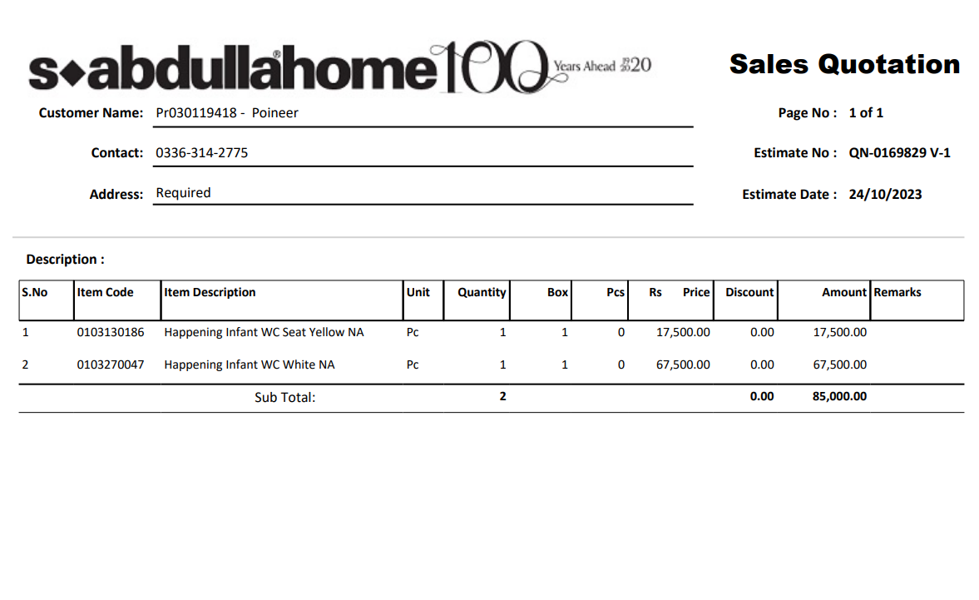


Variation order for Kids Comode - Dolmen Family Area DMC Karachi

S. # | Description | Material Rate | Labour Rate | Over Head profit 20% | Tax 7.5% | Unit | Qty | Amount | Total Construction
i | Supply and installation of Kids commode | 79,313 | 11,750 | 18,212.50 | 8,196 | No | 1 |  | 1.175
ii | Supply and installation of yellow seat cover for Kid commode | 20,563 | 2,938 | 4,700 | 2,115 | No | 1
iii | Supply and installation of hanging material | 5,875 | 5,875 | 2,350 | 1,058 | Job | 1
Total Amount Rs |  |  |  |  |  |  |  | -

Thanking you,

For PIONEER ENGINEERING SERVICES.

Bilal Habib

